Script
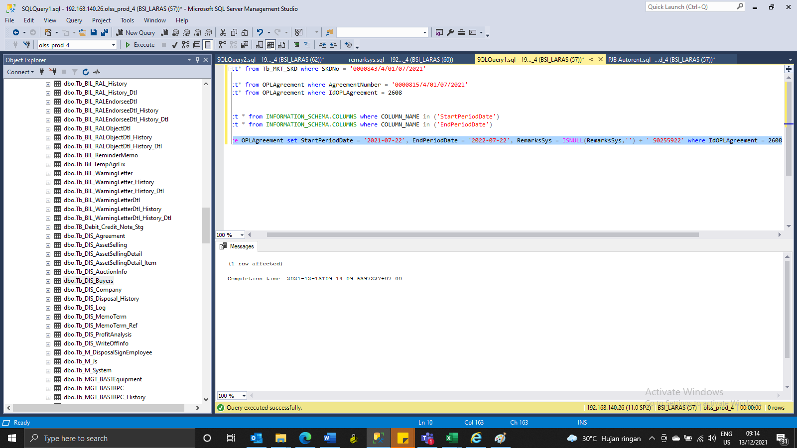
update OPLAgreement set StartPeriodDate = '2021-07-22', EndPeriodDate = '2022-07-22', RemarksSys = ISNULL(RemarksSys,'') + ' S0255922' where IdOPLAgreement = 2608

Screenshot
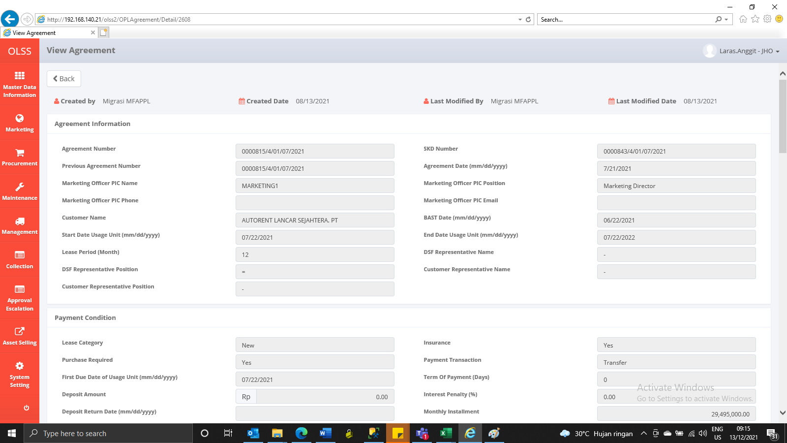
BEFORE
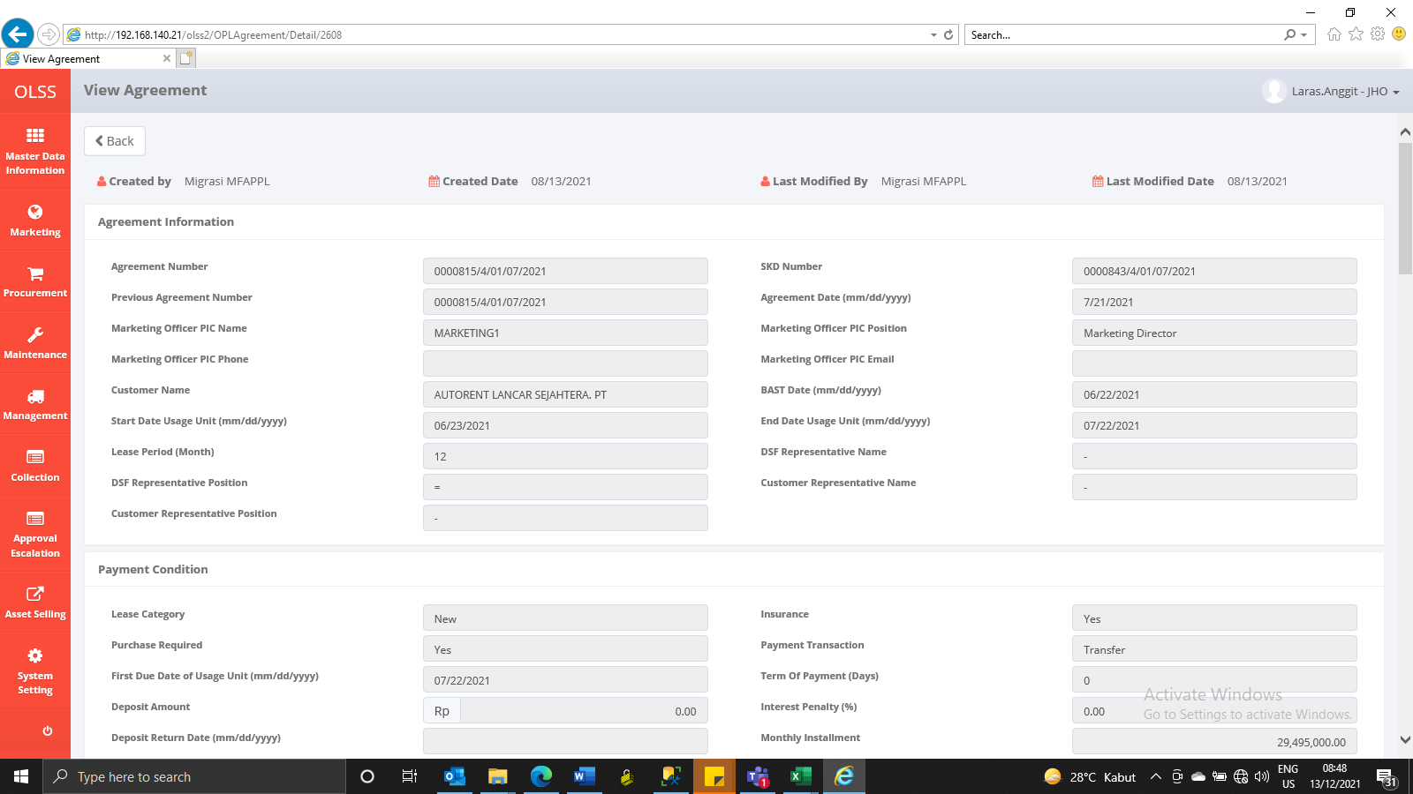

AFTER

